Tube Diameter Calcs
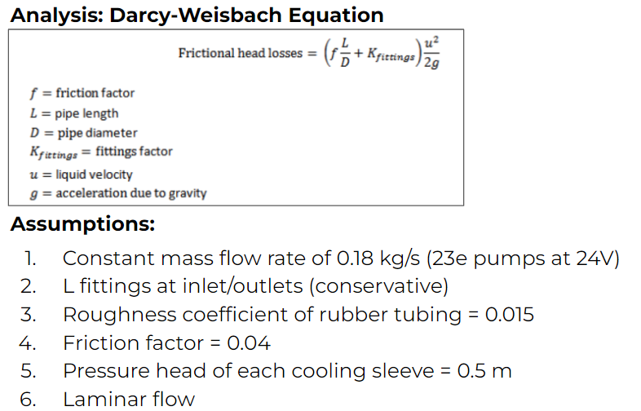
Darcy-Weisbach Pressure head analysis to determine tube diameter
Mass flow rate [kg/s] | 0.221 | <-- 24e empirical value at 24V
Roughness coefficient [-] | 0.015 | <-- Polyurethanbe rubber
Density [kg/m^3] | 997 | <-- Water
f [-] | 0.04 | <-- Friction factor
K [-] | 2 | <-- L fitting factor
g [m/s^2] | 9.81 | <-- Gravitational acceleration
Area [m^2] | 8.107352095E-05
Velocity [m/s] | 2.734123206
Tube ID [in] | 0.4 | <--- Change value
Tube ID [m] | 0.01016002032
Tube Lengths | Tube Headloss
0.285 | 0.4275111377
1.796 | 2.694070187
1.012 | 0.03855828165
1.994 | 2.991077925
0.985 | 1.477538493
L fitting count | L Fitting Headloss
17 | 12.9543634
Sleeve count | Sleeve Headloss
4 | 2 | <-- 0.5 m per sleeve
Total headloss | 22.58311942 | 7.18 (23e flow)

Pump & Fan
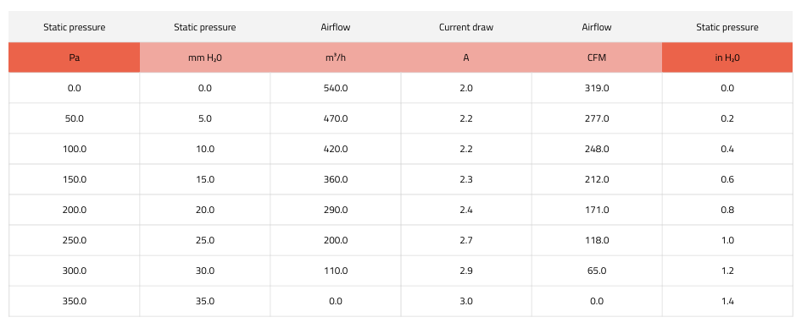
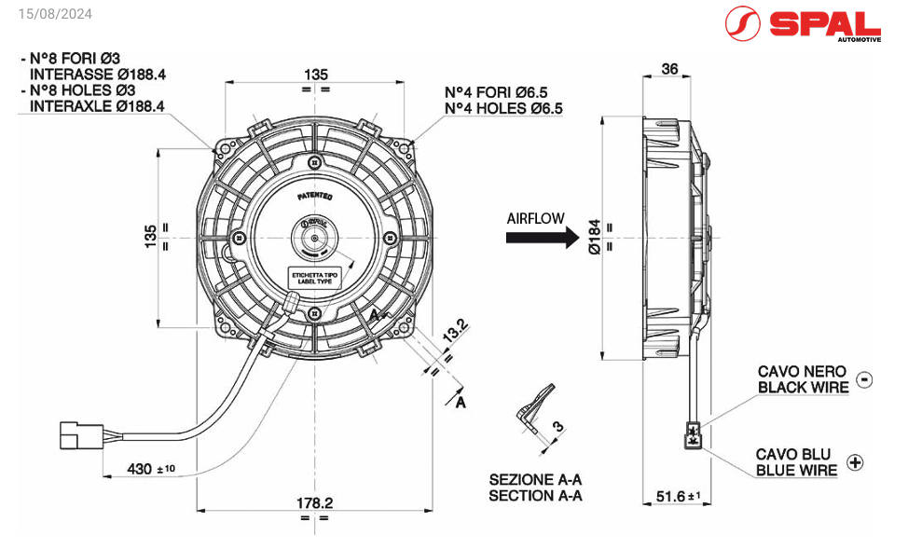
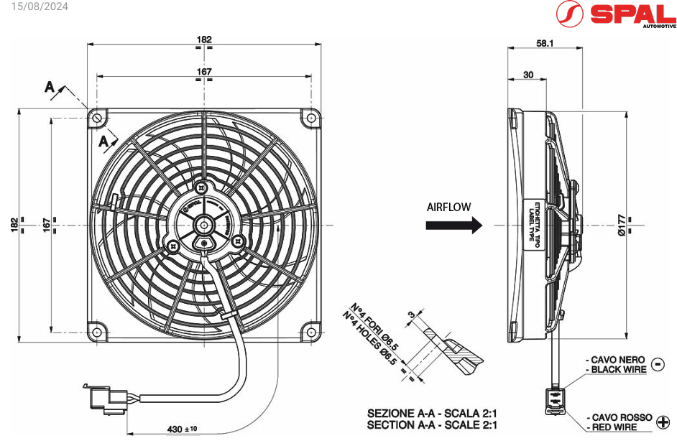
ZKSJ DC56E 24-140 PWM Pump |  |  |  | Total Power [W] | 273.6
Flow rate [l/min] | 13 | <-- 24e flow rate at 24 V
Mass flow rate [kg/s] | 0.221
Head [m] | 11.5 | <-- Pump curve
Supplied Voltage [V] | 24
Current [A] | 3.3
Power [W] | 79.2
Qty | 2
Total Power [W] | 158.4
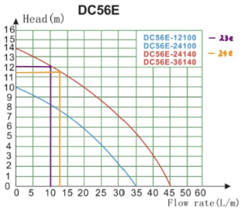

 |  |  |  | Update from aero this year 2025e!
VA22-Bp11_C-50A SPAL Fan |  |  |  | from aero @10 degrees
Static pressure [mmH2O] | 9.177 | <-- Radiator manufacturer |  | kickplate area (m^2) | air velocity (m/s) | abs pressure (Pa) | density (kg/m^3)
Fan Airflow [m^3/h] | 380 | <-- Fan datasheet |  | 0.05398379 | 1.4288 | 101566.155 | 1.147 | 10 m/s
Fan Airflow [kg/s] | 0.1208611111 | <--- rho = 1.145 kg/m^3 |  | 0.05398379 | 5.32673695 | 101251.10245 | 1.147 | 13.7 m/s
Aero Airflow [kg/s] | 0.3298283939 | <-- Get from Aero | using 13.7 rn/s
Total Airflow [kg/s] | 0.450689505
Supplied Voltage [V] | 24
Current [A] | 2.4 | <-- Fan datasheet
Power [W] | 57.6
Qty | 2
Total Power [W] | 115.2

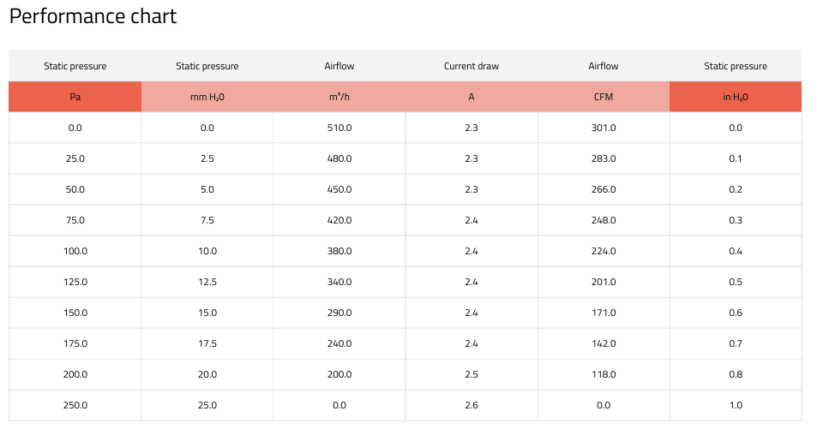
 |  |  |  |  | VA68-B101-83A

Inverter Radiator Area Calcs
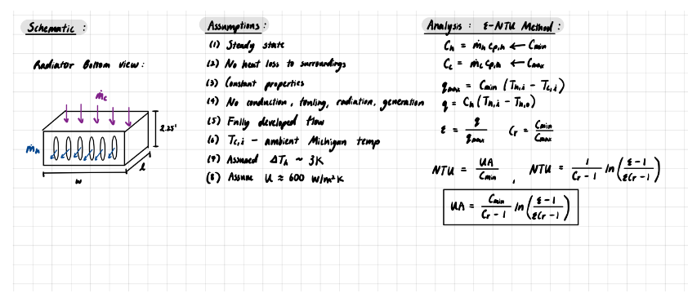
e-NTU Crossflow Heat Exchanger Radiator Area Analysis
Heat output per IGBT [W] | 300 | From Slack
Desired dT [C] | 1.292824822
Water inlet T [C] | 50 | <--- Inverter derating T
Water outlet T [C] | 48.70717518
Water Cph [J/kg*K] | 4200 | <---the heat required to raise the temperature of 1 kg of water by 1 K is 4184 joules, so the specific heat capacity of water is 4184 J⋅kg−1⋅K−1
Water mass flow rate [kg/s] | 0.221 | <-- 24e flow rate test value |  | Note: motor heat output = 589 W (redo the matlab script thing) with initla temp also 32.2
Radiator U [W/m^2*K] | 600 | <-- online literature
Air Inlet [C] | 32.2 | <-- Michigan Ambient temps
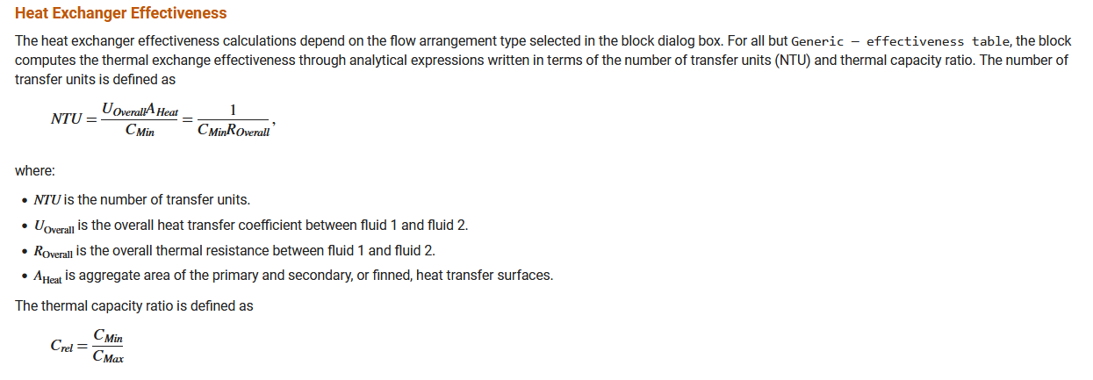
Air Cpc [J/kg*K] | 1007 | <--The specific heat of air at constant pressure is 1007J/kg-K
Air mass flow rate [kg/s] | 0.450689505 | <-- Fan + Aero
Ch | 928.2 | <--Cmax | max energy transferred by water per degree
Cc | 453.8443315 | <-- Cmin | max energy transferred by air per degree
q dot max | 8078.429101
q dot | 1200
e | 0.1485437311 | <--heat exchange effectiveness, calc method resource: https://www.mathworks.com/help/hydro/ref/entuheattransfer.html
Cr | 0.4889510144 | <--The thermal capacity ratio is defined as: Crel=CMin/CMax
UA | 75.84408446 | <-- U: the overall heat transfer coefficient between fluid 1 and fluid 2.
Radiator Area A [m^2] | 0.1264068074
2024 | 0.126

Motor Radiator Area Calcs
e-NTU Crossflow Heat Exchanger Radiator Area Analysis
Heat output per Motor [W] | 589 | From 23e Endurance Data
Desired dT [C] | 2.538246068
Max Allowable Water inlet T [C] | 60 | <--- Motor Water inlet max temp from AMK datasheet
Water outlet T [C] | 57.46175393 | 2.538246068
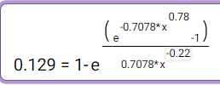
Water Cph [J/kg*K] | 4200
Water mass flow rate [kg/s] | 0.221 | <-- 24e flow rate test value
Radiator U [W/m^2*K] | 600 | <-- online literature |  | Calc Confirmation using slightly differently formed equation
Air Inlet [C] | 32.2 | <-- Michigan Ambient temps |  | NTU = ln(1+ln(1-e)*C_rel)/-C_rel*cmin = UA
Air Cpc [J/kg*K] | 1007 |  |  | 98.8944159
Air mass flow rate [kg/s] | 0.450689505 | <-- Fan + Aero
Ch | 928.2 | <--Cmax
Cc | 453.8443315 | <-- Cmin
qmax | 12616.87242
q | 2356
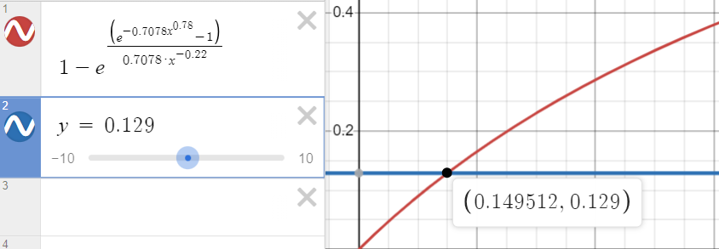
e | 0.186734075 |  |  | For both fluid unmixed (results are close enough)
Cr | 0.4889510144 |  | NTU | 0.149508
UA | 98.53309099 |  | UA | 67.85335832
Radiator Area A [m^2] | 0.1642218183
2024 | 0.126

Flow Rate Test
Comparison of 22e, 23e, and 24e Flow Rates
23e |  |  | l/min
Voltage | flow rate(L/min) | mass flow rate(kg/s) | Voltage | 22e | 23e | 24e
10 | 5.15 |  | 10 | 4.13 | 5.15 | 6.44 | 0.2469733656
10.5 | 5.33 |  | 12 | 4.93 | 6 | 7.77 | 0.2170385396
11 | 5.6 |  | 14 | 5.73 | 6.93 | 9.1 | 0.2094240838
11.5 | 5.73 |  | 16 | 6.53 | 8 | 10.21 | 0.2251148545
12 | 6 |  | 18 | 7.19 | 8.8 | 11.54 | 0.223922114
12.5 | 6.26 |  | 20 | 7.59 | 9.6 | 12.43 | 0.2648221344
13 | 6.53 |  | 22 | 8 | 10.4 | 12.88 | 0.3
13.5 | 6.8 |  | 24 | 8.53 | 10.8 | 13 | 0.266119578
14 | 6.93
14.5 | 7.19
15 | 7.33 |  | kg/s (*0.017)
15.5 | 7.73 |  | Voltage | 22e | 23e | 24e
16 | 8 |  | 10 | 0.07021 | 0.08755 | 0.10948 | 0.2504854369 | 0.2728984119
16.5 | 8.13 |  | 12 | 0.08381 | 0.102 | 0.13209 | 0.295
17 | 8.4 |  | 14 | 0.09741 | 0.11781 | 0.1547 | 0.3131313131
17.5 | 8.66 |  | 16 | 0.11101 | 0.136 | 0.17357 | 0.27625
18 | 8.8 |  | 18 | 0.12223 | 0.1496 | 0.19618 | 0.3113636364
18.5 | 9.06 |  | 20 | 0.12903 | 0.1632 | 0.21131 | 0.2947916667
19 | 9.2 |  | 22 | 0.136 | 0.1768 | 0.21896 | 0.2384615385
19.5 | 9.33 |  | 24 | 0.14501 | 0.1836 | 0.221 | 0.2037037037
Comparison of 22e, 23e, and 24 Flow Rates
20 | 9.6
20.5 | 9.86
21 | 10 |  |  | flow rate (l/min) | head loss (m) |  |  | 24e heat rejection | 2.573648
21.5 | 10 |  | 23e | 10.8 | 12.1
22 | 10.4 |  | 24e | 13 | 11.5
22.5 | 10.33 |  |  | 20.37037037 | 4.958677686
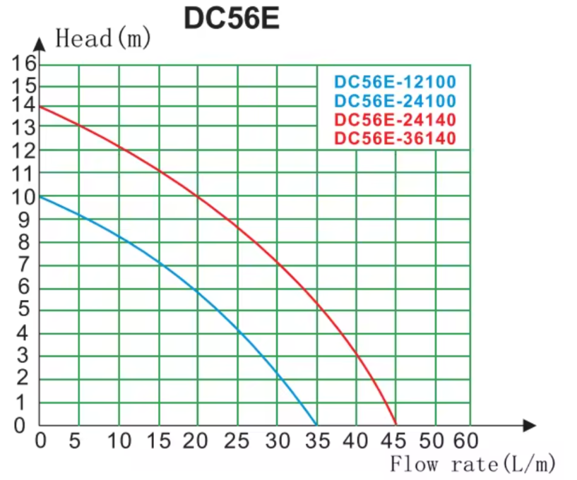
23 | 10.46
23.5 | 10.67
24 | 10.8

22e and 23e flow rate

flow rate(L/min) vs. Voltage

